Sheet1
Assignment - 1 | Sort the employee table by firstname of the employee.

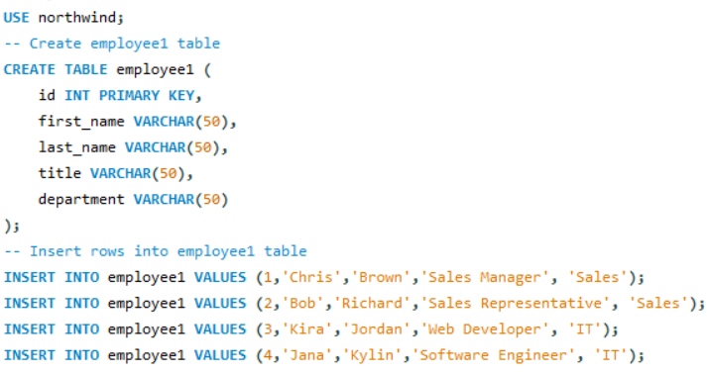

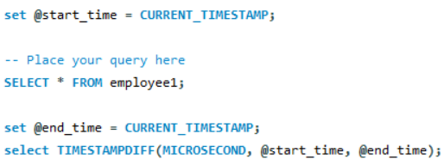

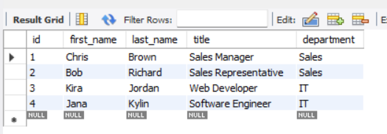

QUERY

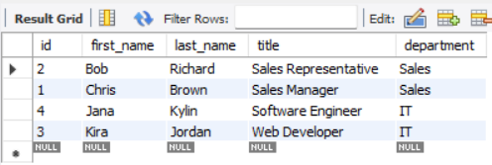
RESULT

Assignment - 2 | Sort the employee table by firstname and lastname of the employee.

QUERY

RESULT

Assignment - 3 | Select both productname and unitprice from products table in descending order.

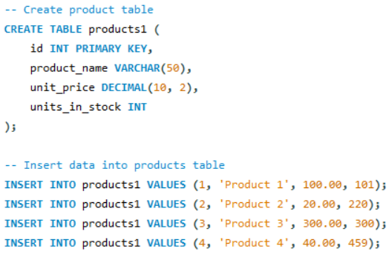

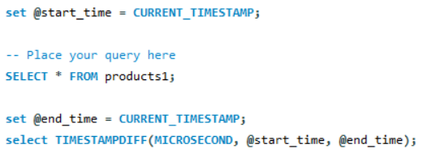

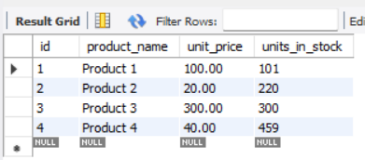

QUERY

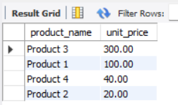

RESULT

Assignment - 4 | Display product name, unit price, and a 20% increase in the unit price for only those products for which the percentage increase in unit price is greater than 30 and in descending order of the increased price.

QUERY

RESULT

Assignment - 5 | Display number of employees with "Sales Representative" title.

QUERY

RESULT

Assignment - 6 | Display total number of employees in all the department.

QUERY

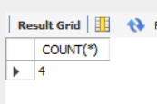
RESULT

Assignment - 7 | Select all distinct titles from employee table.

QUERY

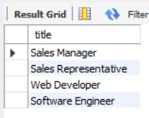

RESULT

Assignment - 8 | Get the count of employees with unique title.

QUERY

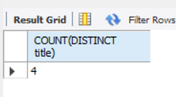

RESULT

Assignment - 9 | Get the most expensive product.

QUERY

RESULT

Assignment - 10 | Get the product with minimum stock.

QUERY

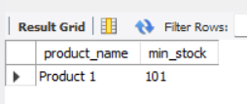
RESULT

Assignment - 11 | Get the average freight price for all the orders shipped to ShipCountry USA

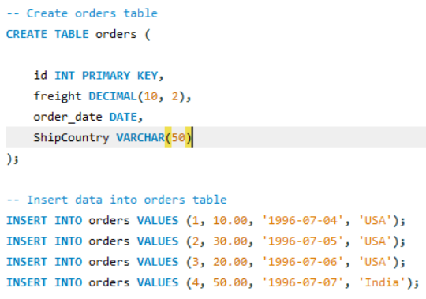

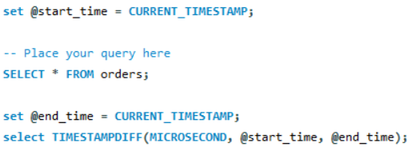

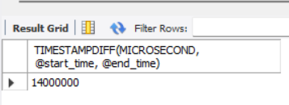

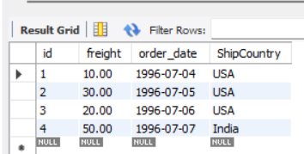

QUERY

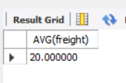
RESULT

Assignment - 12 | Get total freight expense in July 1996

QUERY

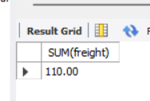
RESULT

